a
Normalized Data BoxPlot (Silhouette Analysis)
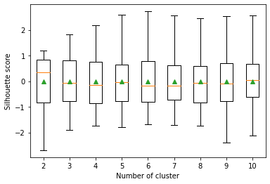
Cluster | Lower Whisker | Lower Quartile | Median | Upper Quartile | Upper Whisker
2 | -2.6959868477 | -0.83540913653 | 0.33275264303 | 0.8455953367 | 1.1993646763
3 | -1.9135895576 | -0.78496942819 | -0.068475415203 | 0.80018718289 | 1.812884016
4 | -1.7406922647 | -0.85888648847 | -0.14110750406 | 0.75879444425 | 2.1732402936
5 | -1.8031211835 | -0.78151739184 | -0.052194872878 | 0.64245659908 | 2.5812258021
6 | -1.6791496734 | -0.79359981418 | -0.18967249114 | 0.78998124925 | 2.7232913318
7 | -1.7233069012 | -0.72957755783 | -0.18693416191 | 0.61506722661 | 2.5614639494
8 | -1.7448086381 | -0.82305674365 | -0.072943388293 | 0.60323452657 | 2.4467334111
9 | -2.4060117096 | -0.78144476279 | -0.092284623899 | 0.69638258624 | 2.5381522978
10 | -2.1130096207 | -0.61560604988 | 0.047145469336 | 0.68277044294 | 2.5713034744

b
Data BoxPlot (Silhouette Analysis)
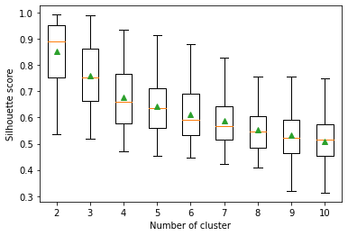
Cluster | Lower Whisker | Lower Quartile | Median | Upper Quartile | Upper Whisker
2 | 0.534391283 | 0.75302437975 | 0.890292942 | 0.9505561525 | 0.992126943
3 | 0.519562745 | 0.66163070825 | 0.751821236 | 0.861166376 | 0.988642196
4 | 0.47230603 | 0.576246606 | 0.660852948 | 0.7669265635 | 0.933650711
5 | 0.454132382 | 0.56102149325 | 0.637329585 | 0.710010089 | 0.912861056
6 | 0.445116528 | 0.53266566475 | 0.592372428 | 0.68922506525 | 0.880360129
7 | 0.423249244 | 0.51714945875 | 0.5684253235 | 0.64420863725 | 0.828129009
8 | 0.410524307 | 0.48617327225 | 0.547735716 | 0.603230215 | 0.754527743
9 | 0.320045723 | 0.46271083325 | 0.5232310275 | 0.59248966575 | 0.75422894
10 | 0.313098302 | 0.45243021 | 0.5140985775 | 0.573242847 | 0.748968961

c
Normalized Data BoxPlot (Davies-Bouldin Index)
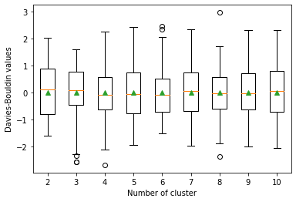
Cluster | Lower Whisker | Lower Quartile | Median | Upper Quartile | Upper Whisker
2 | -1.6164988 | -0.7974969 | 0.12123471 | 0.88132119 | 2.02726613
3 | -2.2808004 | -0.4623301 | 0.07421409 | 0.75786554 | 1.58931578
4 | -2.1101664 | -0.6408824 | -0.1001857 | 0.55212656 | 2.25312265
5 | -1.9644976 | -0.791569 | -0.0511142 | 0.72870316 | 2.41140092
6 | -1.5109409 | -0.7130366 | -0.1019231 | 0.5074387 | 2.04041873
7 | -1.9773933 | -0.6988174 | 0.04631843 | 0.72365422 | 2.33381659
8 | -1.9011568 | -0.5924469 | -0.0473874 | 0.57309527 | 1.71796125
9 | -2.018727 | -0.6464735 | -0.0345059 | 0.71803164 | 2.30638232
10 | -2.0582263 | -0.7187058 | 0.05627202 | 0.79440496 | 2.31340021

d
Data BoxPlot (Davies-Bouldin Index)
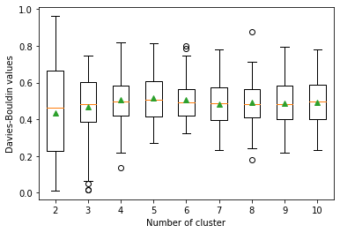
Cluster | Lower Whisker | Lower Quartile | Median | Upper Quartile | Upper Whisker
2 | 0.01197058 | 0.22544052 | 0.46490466 | 0.6630185 | 0.96170498
3 | 0.06548673 | 0.38667815 | 0.48144648 | 0.60219796 | 0.74905473
4 | 0.21767232 | 0.4201971 | 0.49472623 | 0.58464037 | 0.81910412
5 | 0.26898953 | 0.41541784 | 0.50785615 | 0.60520848 | 0.81527632
6 | 0.32569545 | 0.42035434 | 0.49285342 | 0.56514468 | 0.74700882
7 | 0.23251467 | 0.39438024 | 0.4887132 | 0.57446279 | 0.77830667
8 | 0.24148374 | 0.41235185 | 0.48351604 | 0.56452765 | 0.71400393
9 | 0.21844895 | 0.40144571 | 0.48305461 | 0.58340921 | 0.79522361
10 | 0.23447885 | 0.40148636 | 0.49810833 | 0.59013659 | 0.77952049

